KKO
KAJIAN KELAYAKAN OPERASI

DAYA LAMA |  |  |  | DAYA BARU
Nama Pelanggan | : | PB LAB SMK MUHAMADIYAH GUBUG |  | Nama Pelanggan | : | PB LAB SMK MUHAMADIYAH GUBUG
Daya Lama (VA) | : | 0 |  | Daya Baru (VA) | : | 23000
Jumlah Fasa | : | 0 | * | Jumlah Fasa | : | 3
Tegangan Sekunder Pengukuran rata-rata (Fasa-Netral) (V) | : | 220 | * | Tegangan Sekunder Pengukuran rata-rata (Fasa-Netral) (V) | : | 380
Beban Pelanggan (A) | : | 0.00 |  | Beban Pelanggan (A) | : | 34.94

SUPLAI TRAFO EKSISTING |  |  |  | SUPLAI TRAFO RENCANA
Nomor Tiang | : | MGN06-351/4 |  | Nomor Tiang | : | MGN06-351/4
Penyulang | : | SGB02 |  | Penyulang | : | SGB02
Daya | : | 100 | * | Daya | : | 160
Jumlah Fasa | : | 3 | * | Jumlah Fasa | : | 3
Beban TRAFO (Pengukuran Lapangan) |  | 82 |  | Beban TRAFO | : | 150.00
Beban Primer | : | 2.89 | * | Beban Primer | : | 4.62
Beban Sekunder | : | 151.93 | * | Beban Sekunder | : | 243.09
Beban (A) | : | #VALUE! |  | Beban (A) | : | #VALUE!
Prosentase Pembebanan | : | 54% |  | Beban (A) | : | 62%
 | 62% | 100%
Prosentase Pembebanan | : | 100% |  | Beban (A) | : | 100%

DATA





DATA
Tahun | : | 2022
Discount Rate | : | 12%
Transfer price TM | : | 1,084 |  | Marginal COST maret 2022
Umur ekonomis (tahun) | : | 25.00
Selisih Susut Teknis | : | 2.25%
∑ Daya | : | 23
BP (Rp) | : | 21,551,000
RAB (Rp) | : | 88,733,264
Biaya O&M (2% invest) | : | 1,774,665.28

Nama Pelanggan | : | PB LAB SMK MUHAMADIYAH GUBUG | *
Golongan Pelanggan | : | REGULER | *
Jenis Layanan | : | REGULER | *
Daya Lama (kVA) | : | - | *
Daya Baru (kVA) | : | 23 | *
Tarif WBP (Rp/kWh) | : | 1,444.70 | *
Tarif LWBP (Rp/kWh) | : | 1,444.70 | *
BP (Rp/VA) TR | : | 937 | *
Jam Nyala | : | 40 | *

RAB
 |  | PT. PLN ( PERSERO )
 |  | UNIT INDUK DISTRIBUSI JAWA TENGAH & DI YOGYAKARTA |  |  |  |  |  |  |  |  |  | RAB TOTAL
 |  | UP3 DEMAK |  |  |  |  |  |  |  |  | RAB TOTAL | RAB NON MDU
 | RENCANA ANGGARAN BIAYA (RAB)

 |  |  |  | Pekerjaan | : | PB LAB SMK MUHAMADIYAH GUBUG
 |  |  |  | Lokasi | : | JL. PILANGSARI GUBUG
 |  |  |  | Pelaksana | : | PT. PLN (PERSERO) UP3 DEMAK
 |  |  |  | Anggaran | : | SAR 2023

Note !! 1. Saat Pengisian Uraian di mohon memasukan nama material sesuai dengan nama material di harga satuan
2. Mohon di cek kembali saat pengisian volume material
3. Untuk program Sarana Penunjang Fungsi tidak perlu SLO.
 | NO | URAIAN | GOL | SAT | VOL | HARGA SATUAN | BIAYA YANG DIPERLUKAN ( Rp )
 |  |  |  |  |  |  | MDU | HARDWARE | JASA | JUMLAH

#REF! | A | PEMASANGAN TIANG |  |  |  | 0 | 0 | 0 | 0 | 0
#REF! | + | Tiang Beton 12M-350 daN+E | HDW | Unit | 1 | 6,074,400 | 0 | 6,074,400 | 0 | 6,074,400
#REF! | + | Penomoran Tiang | JASA | Unit | 1 | 10,067 | 0 | 0 | 10,067 | 10,067
#REF! | + | Penghalang Panjat dan Papan Peringatan | HDW | Unit | 1 | 200,000 | 0 | 200,000 | 0 | 200,000
#REF! |  |  |  |  |  | 0 | 0 | 0 | 0 | 0
#REF! | B | PEKERJAAN PEMASANGAN KONSTRUKSI |  |  |  | 0 | 0 | 0 | 0 | 0
#REF! | + | Trafo 3 Fasa 50 KVA 2 Tiang (G313) |  | Unit | 1 | 0 | 0 | 0 | 0 | 0
#REF! | 1 | Trafo 3 phasa 50 kVA YNyn0 | MDU-KD | Bh | 1 | 42,757,200 | 42,757,200 | 0 | 0 | 42,757,200
#REF! | 2 | Jumper Wire : |  |  |  | 0 | 0 | 0 | 0 | 0
#REF! |  | AAAC 70 mm² | MDU-KD | Mtr | 9 | 14,200 | 127,800 | 0 | 0 | 127,800
#REF! |  | NFA2X-T 3x70+1x70 | MDU-KD | Mtr | 3 | 54,500 | 163,500 | 0 | 0 | 163,500
v | 3 | Lightning Arester (Polymer) 21 KV, 10 KA | MDU-KD | Bh | 3 | 725,900 | 2,177,700 | 0 | 0 | 2,177,700
#REF! | 4 | FCO Polymer | MDU-KD | Bh | 3 | 848,250 | 2,544,750 | 0 | 0 | 2,544,750
#REF! | 5 | Fuse Link 6 A | HDW | Bh | 3 | 18,000 | 0 | 54,000 | 0 | 54,000
#REF! | 6 | Sepatu Kabel AL/CU Ring 95 | HDW | Bh | 13 | 64,300 | 0 | 835,900 | 0 | 835,900
#REF! | 7 | Bolt Machine / Bolt cariage ½" x ¾" | HDW | Bh | 28 | 7,938 | 0 | 222,264 | 0 | 222,264
#REF! | 8 | Bracket band segment,vertikal plat ( Hot dip galvanis ) | HDW | Bh | 2 | 404,600 | 0 | 809,200 | 0 | 809,200
#REF! | 9 | Compresion Conector H type 70 mm² / 70 mm² | HDW | Bh | 3 | 15,900 | 0 | 47,700 | 0 | 47,700
#REF! | 10 | Cross Arm Steel 2.000 mm ( UNSP 10 ) galvanis | HDW | Bh | 5 | 380,500 | 0 | 1,902,500 | 0 | 1,902,500
v | 11 | Cross Arm Steel 3.000 mm ( UNSP 10 ) galvanis | HDW | Bh | 4 | 559,200 | 0 | 2,236,800 | 0 | 2,236,800
#REF! | 12 | Hot Line Clamp ( 150mm² s/d 240 mm² ) | HDW | Bh | 3 | 173,400 | 0 | 520,200 | 0 | 520,200
#REF! | 13 | Pole Band Single Rack 7" atau 7 ½" | HDW | Bh | 2 | 57,690 | 0 | 115,380 | 0 | 115,380
#REF! | 14 | Pole Band Single Rack 8" atau 8 ½" | HDW | Bh | 2 | 60,300 | 0 | 120,600 | 0 | 120,600
#REF! | 15 | Steel L 70 x 70 x 7 x 780 mm galvanis | HDW | Bh | 4 | 129,000 | 0 | 516,000 | 0 | 516,000
 | 16 | Upah Pasang Trafo 3 Fasa 50 KVA 2 Tiang | JASA | Unit | 1 | 1,627,400 | 0 | 0 | 1,627,400 | 1,627,400
 |  |  |  |  |  | 0 | 0 | 0 | 0 | 0
#REF! | + | CM2-12 |  | Unit | 3 | 0 | 0 | 0 | 0 | 0
#REF! | 1 | Bimetalic Connector 35 - 240 mm² | HDW | Bh | 3 | 47,459 | 0 | 142,377 | 0 | 142,377
#REF! | 2 | Ground wire Cu 16 mm² | HDW | Mtr | 2.4 | 30,000 | 0 | 72,000 | 0 | 72,000
 | 3 | Ground rod & Washer | HDW | Bh | 3 | 9,500 | 0 | 28,500 | 0 | 28,500
 | 4 | Upah Pasang Acc.Jar M2-12 | JASA | Unit | 3 | 16,200 | 0 | 0 | 48,600 | 48,600
#REF! |  |  |  |  |  | 0 | 0 | 0 | 0 | 0
#REF! | + | SJ5 |  | Unit | 1 | 0 | 0 | 0 | 0 | 0
 | 1 | Pole Band Double Up Side 7" atau 7 ½" | HDW | Bh | 1 | 61,800 | 0 | 61,800 | 0 | 61,800
 | 2 | Spool Insulator ANSI 53 - 2 | HDW | Bh | 1 | 28,000 | 0 | 28,000 | 0 | 28,000
#REF! | 3 | Tie Wire # 4 / Alluminium bonding wire # 20 | HDW | Mtr | 0.8 | 8,550 | 0 | 6,840 | 0 | 6,840
#REF! | 4 | Upah Pasang Konst. JTR J5 | JASA | Unit | 1 | 33,200 | 0 | 0 | 33,200 | 33,200
#REF! |  |  |  |  |  | 0 | 0 | 0 | 0 | 0
#REF! | + | SJ6 |  | Unit | 3 | 0 | 0 | 0 | 0 | 0
#REF! | 1 | Armour Tape ¼" wide | HDW | Mtr | 3 | 7,789 | 0 | 23,367 | 0 | 23,367
#REF! | 2 | Clevis Swinging Secondary | HDW | Bh | 3 | 15,500 | 0 | 46,500 | 0 | 46,500
 | 3 | Loop Dead End Clamp / LC ( 35 s/d 240 ) mm² | HDW | Bh | 6 | 29,600 | 0 | 177,600 | 0 | 177,600
#REF! | 4 | Oval Eye Nut ⅝" | HDW | Bh | 3 | 23,936 | 0 | 71,808 | 0 | 71,808
#REF! | 5 | Pole Band Single Rack 7" atau 7 ½" | HDW | Bh | 3 | 57,690 | 0 | 173,070 | 0 | 173,070
#REF! | 6 | Spool Insulator ANSI 53 - 4 | HDW | Bh | 3 | 33,502 | 0 | 100,506 | 0 | 100,506
 | 7 | Upah Pasang Konst. JTR J6 | JASA | Unit | 3 | 35,700 | 0 | 0 | 107,100 | 107,100
 |  |  |  |  |  | 0 | 0 | 0 | 0 | 0
#REF! | + | CE1-2 |  | Unit | 1 | 0 | 0 | 0 | 0 | 0
#REF! | 1 | Bolt Machine ⅝" x 10" | HDW | Bh | 1 | 26,500 | 0 | 26,500 | 0 | 26,500
#REF! | 2 | Guy Attachment / Guy hok | HDW | Bh | 1 | 12,500 | 0 | 12,500 | 0 | 12,500
#REF! | 3 | Guy Wire 35 mm² | HDW | Mtr | 12 | 24,300 | 0 | 291,600 | 0 | 291,600
 | 4 | Three Bolt Clamp | HDW | Bh | 2 | 40,000 | 0 | 80,000 | 0 | 80,000
 | 5 | Washer Square 2 ¼" | HDW | Bh | 1 | 2,500 | 0 | 2,500 | 0 | 2,500
#REF! | 6 | Upah Pasang Acc.Jar E1-2 | JASA | Unit | 1 | 43,500 | 0 | 0 | 43,500 | 43,500
 |  |  |  |  |  | 0 | 0 | 0 | 0 | 0
 | + | F1-2 |  | Unit | 1 | 0 | 0 | 0 | 0 | 0
#REF! | 1 | Rod Anchor ⅝" x 7' | HDW | Bh | 1 | 104,200 | 0 | 104,200 | 0 | 104,200
 | 2 | Expanding Anchor 8.000 lbs | HDW | Bh | 1 | 120,000 | 0 | 120,000 | 0 | 120,000
 | 4 | Kousen | HDW | Bh | 1 | 4,500 | 0 | 4,500 | 0 | 4,500
 | 3 | Upah Pasang Acc.Jar F1-2 | JASA | Unit | 1 | 55,500 | 0 | 0 | 55,500 | 55,500
#REF! |  |  |  |  |  | 0 | 0 | 0 | 0 | 0
 | + | CM2-12A |  | Unit | 1 | 0 | 0 | 0 | 0 | 0
 | 1 | Bimetalic Connector 35 - 240 mm² | HDW | Bh | 1 | 47,459 | 0 | 47,459 | 0 | 47,459
#REF! | 2 | Ground wire Cu 16 mm² | HDW | Mtr | 1 | 30,000 | 0 | 30,000 | 0 | 30,000
 | 3 | Ground rod & Washer | HDW | Bh | 1 | 9,500 | 0 | 9,500 | 0 | 9,500
 | 4 | Upah Pasang Acc.Jar M2-12A | JASA | Unit | 1 | 21,200 | 0 | 0 | 21,200 | 21,200
#REF! |  |  |  |  |  | 0 | 0 | 0 | 0 | 0
 | + | NFA2X-T 3x70+1x70 | MDU-KD | Unit | 100 | 54,500 | 5,450,000 | 0 | 0 | 5,450,000
 | + | Upah Pasang Penghantar TR LVTC 3x70 + 1x50mm² | JASA | Unit | 2 | 223,500 | 0 | 0 | 447,000 | 447,000
#REF! | + | Upah Pasang Sambungan Rumah 1 Fasa | JASA | Unit | 1 | 25,000 | 0 | 0 | 25,000 | 25,000
 |  |  |  |  |  | 0 | 0 | 0 | 0 | 0
 |  |  |  |  |  | 0 | 0 | 0 | 0 | 0
v | D | PEKERJAAN PEMASANGAN APP |  |  |  | 0 | 0 | 0 | 0 | 0
#REF! | + | Daya 23.000 VA |  | Unit | 1 | 0 | 0 | 0 | 0 | 0
v | 1 | KWH Elektronik; 3P; 4W; 220/380V; 5(80) A; kls 1 (Pengukuran Langsung) | MDU-KD | Bh | 1 | 1,427,400 | 1,427,400 | 0 | 0 | 1,427,400
#REF! | 2 | Smart Box Langsung Daya 23 kVA MCCB 35 A | MDU-KD | Unit | 1 | 3,564,900 | 3,564,900 | 0 | 0 | 3,564,900
 | 3 | Modem 3G/4G | HDW | Unit | 1 | 1,113,900 | 0 | 1,113,900 | 0 | 1,113,900
#REF! | 4 | NFA2X 4 x 16 mm² | MDU-KD | Mtr | 35 | 13,500 | 472,500 | 0 | 0 | 472,500
#REF! | 5 | Upah Pasang SR + APP 3 Fasa | JASA | Unit | 1 | 106,400 | 0 | 0 | 106,400 | 106,400
v |  |  |  |  |  | 0 | 0 | 0 | 0 | 0
#REF! | E | PEMBONGKARAN |  |  |  | 0 | 0 | 0 | 0 | 0
#REF! |  |  |  |  |  | 0 | 0 | 0 | 0 | 0
#REF! | + | Upah Bongkar Konst. JTM 3 Fasa C7 | JASA | Unit | 1 | 61,080 | 0 | 0 | 61,080 | 61,080
#REF! | + | Upah Bongkar Tiang Beton 9M-100 daN | JASA | Unit | 1 | 250,977 | 0 | 0 | 250,977 | 250,977
#REF! | + | Upah Bongkar Acc.Jar M2-12 | JASA | Unit | 1 | 7,320 | 0 | 0 | 7,320 | 7,320
#REF! | + | Upah Bongkar Konst. JTR J5 | JASA | Unit | 1 | 15,060 | 0 | 0 | 15,060 | 15,060
#REF! | + | Upah Bongkar Sambungan Rumah 1 Fasa | JASA | Unit | 1 | 15,000 | 0 | 0 | 15,000 | 15,000
 |  |  |  |  |  | 0 | 0 | 0 | 0 | 0
 |  | SLO |  |  |  | 0 | 0 | 0 | 0 | 0
 | 1 | Sertifikasi Laik Operasi | JASA | Lot | 1 | 2.5% |  |  | 1,949,753 | 1,949,753
 |  |  |  |  |  |  | 0 | 0 | 0 | 0

 |  | Jumlah MDU - Hardware - Jasa |  |  |  | : | 58,685,750 | 16,429,971 | 4,824,157 | 79,939,877
 |  | PPN 11% |  |  |  | : | 6,455,433 | 1,807,297 | 530,657 | 8,793,387
 |  | Jumlah Total |  |  |  | : | 65,141,183 | 18,237,267 | 5,354,814 | 88,733,264
 | Terbilang : Delapan Puluh Delapan Juta Tujuh Ratus Tiga Puluh Tiga Ribu Dua Ratus Enam Puluh Empat Rupiah

 | Harga yang dipakai adalah RAB HSS 2023

 |  |  |  |  |  |  |  | Tegowanu, Juli 2024
 |  |  |  |  |  |  |  | MANAGER ULP TEGOWANU

 |  |  |  |  |  |  |  | HARY PRATAMA

GAMBAR
 |  |  |  |  | PT. PLN (PERSERO) UP3 DEMAK
Hasil Ukur Trafo 3 Ph 50 KVA ( X ) di -
 | X0 | X1 | X2 | X3 | Keterangan Gambar :
SIANG | 11 | 78 | 81 | 69 | No | Nama Material |  |  | Baru |  | Eksisting
s
s
MALAM | 16 | 69 | 73 | 76 | 1 | Tiang Beton
 |  |  |  |  | 2 | Tiang Besi
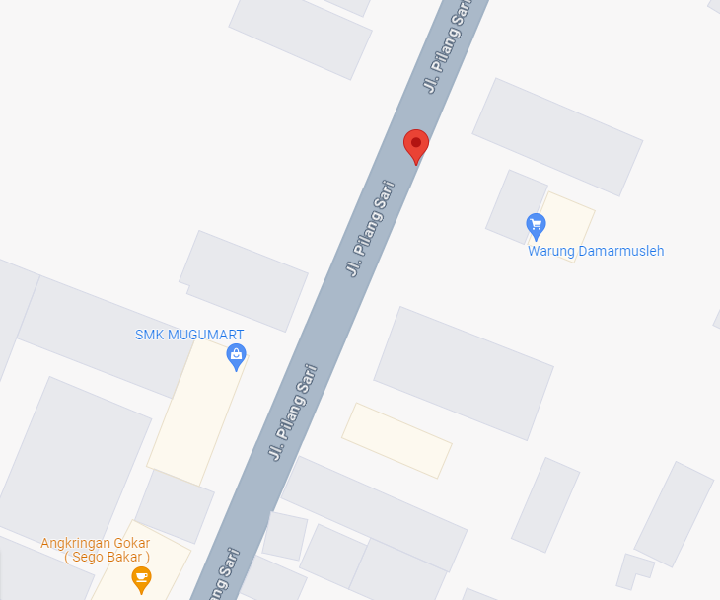
 |  |  |  |  | 3 | JTM 3 Fasa
MGN06-351/4
1 CC7
1 CG 312-A 100 KVA
2 CM2-11M
1 CJ6-T
1 CM2-12
1 CC11
1 CM2-12
 |  |  |  |  | 4 | JTM 1 Fasa
 |  |  |  |  | 5 | JTR 1 Fasa Only / UB
 |  |  |  |  | 6 | JTR 3 Fasa Only / UB
 |  |  |  |  | 7 | Trafo 1 Fasa
 |  |  |  |  | 8 | Trafo 3 Fasa
 |  |  |  |  | 9 | Fuse Cut Out
 |  |  |  |  | 10 | ABSW
MGN06-351/5
1 RS9-100 dAN
1 SJ5
1 CM2-12
1 SR 1PH
1 C12-350E
1 CC1-A
1 CC7
1 CG313 50KVA
2 CM2-11M
1 SJ5
1 SJ6
1 CM2-12
 |  |  |  |  | 11 | Vang Net
 |  |  |  |  | 12 | Schoor
 |  |  |  |  | 13

 |  |  |  |  | Bongkar Pasang Konstruksi :
 |  |  |  |  | Pasang |  |  |  | Bongkar
 |  |  |  |  | C12-350E |  | BTG | 1 | CG 312A-100KVA |  | U | 0
 |  |  |  |  | CC7 |  | U | 1 | SR APP 1 PH 2,2 KVA |  | U | 0
A
 |  |  |  |  | CG313-A 50KVA |  | U | 1 | CC7 |  | U | 1
 |  |  |  |  | CM2-11 |  | U | 0 | RS9-100dAN |  | BTG | 1
37 m
37 m
 |  |  |  |  | CM2-11M |  | U | 2 | SJ5 |  | U | 1
 |  |  |  |  | CM2-12 |  | U | 3 | CM2-12 |  | U | 1
 |  |  |  |  | SR APP 3P 23KVA |  | U | 1 | SR 1 PH |  | U | 1
 |  |  |  |  | LVTC 3X70+NX50mm2 |  | M | 100
 |  |  |  |  | PENGHALANG PANJAT |  | U | 1
 |  |  |  |  | PAPAN PERINGATAN |  | U | 1
APP
APP
 |  |  |  |  | SJ6 |  | U | 3
 |  |  |  |  | SJ5 |  | U | 1
 |  |  |  |  | CE1-2 |  | U | 1
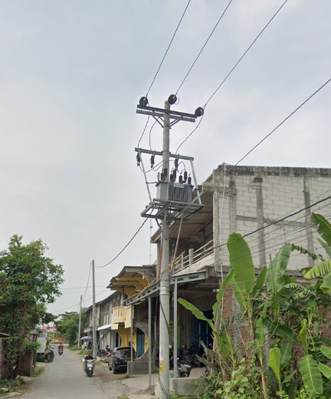
s
s
 |  |  |  |  | F1-2 |  | U | 1
MGN06-202A
1 C12-200E
3 SJ6
1 CM2-12
1 SR APP 3PH 53KVA
1 PENGHALANG PANJAT
1 PAPAN PERINGATAN
 |  |  |  |  | CM2-12A |  | U | 1
s
s
 |  |  |  |  | SR 1 PH |  | U | 1
MGN06-351/6
2 SJ6
1 CM2-12
1 CM2-12A
1 CE1-2
1 F1-2
1 SR APP 3PH 23KVA

 |  |  |  |  | Keterangan Tambahan : -7.0528198,110.6589107

 |  |  |  |  | Golongan
 |  |  |  |  | No. Gambar |  | 1 |  |  | Lembar |  | dr
 |  |  |  |  | Gambar dari |  |  |  |  | Skala
APP
 |  |  |  |  | Perihal:
 |  |  |  |  | PB LAB SMK MUHAMADIYAH GUBUG
 |  |  |  |  | JL. PILANGSARI GUBUG

JL SEMARANG - PURWODADI
 |  |  |  |  | Digambar |  | Staf Teknik
 |  |  |  |  | Diperiksa |  | TL. Teknik
 |  |  |  |  | Diketahui |  | Manager ULP
 |  |  |  |  | Disetujui |  | Man. Perencanaan
MGN06-202
2 SJ6
1 CM2-12
1 CM2-12A
1 CE1-2
1 F1-2

MGN06-203
1 SJ5
1 CM2-12

MGN03-331/50 (MGN06)
2 SJ6
1 CM2-12

SGB05-264
2 SJ6
1 CM2-12

SGB05-263/1
1 C12-200E
1 SJ6
1 CM2-12
1 CM2-12A
1 CE1-3
1 F1-3
1 SR APP 3PH 23KVA
1 CM2-11M

SGB05-263
2 SJ6
1 CM2-12
1 CM2-12A
2 CE1-3
2 F1-3

SLD
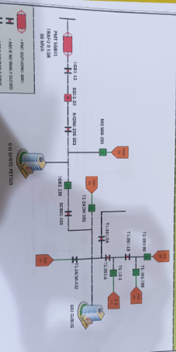
SINGLE LINE DIAGRAM LOKASI PELANGGAN

